2000X网口数据格式
# | MyDataNum | DataLen | Data | Unit | Example (HEX) | USCS Conversion | Metric Conversion | 定义 | 举例(16进制) | 举例(ASCII, 10进制) | 解读
0 | 0 | 0 | DLE = 10 | UINT8 | 0x10 | Data Link Escape | Data Link Escape | 换行 | 10 | 换行键
1 | 0 | 0 | STX = 02 | UINT8 | 0x02 | Start of Transmission | Start of Transmission | 正文开始 | 2 | 正文开始
2 | 0 | 0 | CNT_H | UINT16 | 0x00, 0x76 | Length of Function | Length of Function | 功能长度 | 0 | 0
3 | 0 | 0 | CNT_L |  |  |  |  |  | 76 | 118
4 | 0 | 0 | FUN_L | UINT16 | 0x00, 0x1A | Function Type | Function Type | 功能类型 | 0 | 0
5 | 0 | 1 | FUN_H |  |  |  |  |  | 1A | 26
6 | 0 | 2 | Cycle Count | SINT32 | 0x00,0x00,0x27,0x10 | 10000 = 10000 cycles | 10000 = 10000 cycles | 循环次数 | 0 |  | 32
7 | 1 | 3 | Cycle Count |  |  |  |  |  | 0
8 | 2 | 4 | Cycle Count |  |  |  |  |  | 0
9 | 3 | 5 | Cycle Count |  |  |  |  |  | 20 | 32
10 | 4 | 6 | Hour | UINT16 | 0x00,0x0C | 12 hour | 12 hour | 时 | 0 | 0 | 8:56:09
11 | 5 | 7 | Hour |  |  |  |  |  | 8 | 8
12 | 6 | 8 | Minute | UINT8 | 0x3B | 59 = 59 minutes | 59 = 59 minutes | 分 | 38 | 56
13 | 7 | 9 | Second | UINT8 | 0x3B | 59 = 59 seconds | 59 = 59 seconds | 秒 | 9 | 9
14 | 8 | 10 | Year | UINT16 | 0x07,0xD6 | 2006 = 2006 year | 2006 = 2006 year | 年 | 0 | 0 | 23.02.09
15 | 9 | 11 | Year |  |  |  |  |  | 17 | 23
16 | 10 | 12 | Month | UINT8 | 0x0C | 12 = 12 month (December) | 12 = 12 month (December) | 月 | 2 | 2
17 | 11 | 13 | Day | UINT8 | 0x1F | 31 = 31 day | 31 = 31 day | 日 | 9 | 9
18 | 12 | 14 | Actual Weld Time | SINT32 | 0x00,0x00,0x03,0xE8 | 1000 = 1.000 Seconds | 1000 = 1.000 Seconds | 实际焊接时间 | 0 |  | 0.029S
19 | 13 | 15 | Actual Weld Time |  |  |  |  |  | 0
20 | 14 | 16 | Actual Weld Time |  |  |  |  |  | 0
21 | 15 | 17 | Actual Weld Time |  |  |  |  |  | 1D | 29
22 | 16 | 18 | Total Energy | SINT32 | 0x00,0x00,0x03,0xE8 | 1000 = 100.0 joules | 1000 = 100.0 joules | 实际能量 | 0 |  | 1.3J
23 | 17 | 19 | Total Energy |  |  |  |  |  | 0
24 | 18 | 20 | Total Energy |  |  |  |  |  | 0
25 | 19 | 21 | Total Energy |  |  |  |  |  | 0D | 13
26 | 20 | 22 | Actual Distance | SINT32 | 0x00,0x00,0x27,0x10 | 10000 = 1.0000 inch | 10000 = 25.4 mm | 绝对焊接深度总值 | 0 | 15268 | 15268*25.4/10000=387807/10000=38.78
27 | 21 | 23 | Actual Distance |  |  |  |  |  | 0
28 | 22 | 24 | Actual Distance |  |  |  |  |  | 3B
29 | 23 | 25 | Actual Distance |  |  |  |  |  | A4
30 | 24 | 26 | Actual Weld Collapse | SINT32 | 0x00,0x00,0x27,0x10 | 10000 = 1.0000 inch | 10000 = 25.4 mm | 相对焊接深度 | 00 | 5 | 0.01mm
31 | 25 | 27 | Actual Weld Collapse |  |  |  |  |  | 0
32 | 26 | 28 | Actual Weld Collapse |  |  |  |  |  | 0
33 | 27 | 29 | Actual Weld Collapse |  |  |  |  |  | 5
34 | 28 | 30 | Actual Total Collapse | SINT32 | 0x00,0x00,0x27,0x10 | 10000 = 1.0000 inch | 10000 = 25.4 mm | 相对焊接深度总值 | 0 | 9 | 0.02mm
35 | 29 | 31 | Actual Total Collapse |  |  |  |  |  | 0
36 | 30 | 32 | Actual Total Collapse |  |  |  |  |  | 0
37 | 31 | 33 | Actual Total Collapse |  |  |  |  |  | 9
38 | 32 | 34 | Actual Start Frequency | SINT32 | 0x00,0x00,0x03,0xE8 | 1000 = 1000 Hz | 1000 = 1000 Hz | 开始频率 | 0 | 20195 | 20195
39 | 33 | 35 | Actual Start Frequency |  |  |  |  |  | 0
40 | 34 | 36 | Actual Start Frequency |  |  |  |  |  | 4E
41 | 35 | 37 | Actual Start Frequency |  |  |  |  |  | E3
42 | 36 | 38 | Actual End Frequency | SINT32 | 0x00,0x00,0x03,0xE8 | 1000 = 1000 Hz | 1000 = 1000 Hz | 结束频率 | 0 | 20192 | 20192
43 | 37 | 39 | Actual End Frequency |  |  |  |  |  | 0
44 | 38 | 40 | Actual End Frequency |  |  |  |  |  | 4E
45 | 39 | 41 | Actual End Frequency |  |  |  |  |  | E0
46 | 40 | 42 | Frequency Change | SINT32 | 0x00,0x00,0x03,0xE8 | 1000 = 1000 Hz | 1000 = 1000 Hz | 频率变化 | FF | -3 | -3
47 | 41 | 43 | Frequency Change |  |  |  |  |  | FF
48 | 42 | 44 | Frequency Change |  |  |  |  |  | FF
49 | 43 | 45 | Frequency Change |  |  |  |  |  | FD
50 | 44 | 46 | Frequency Minimum | SINT32 | 0x00,0x00,0x03,0xE8 | 1000 = 1000 Hz | 1000 = 1000 Hz | 最小频率 | 0 | 20192 | 20192
51 | 45 | 47 | Frequency Minimum |  |  |  |  |  | 0
52 | 46 | 48 | Frequency Minimum |  |  |  |  |  | 4E
53 | 47 | 49 | Frequency Minimum |  |  |  |  |  | E0
54 | 48 | 50 | Frequency Maximum | SINT32 | 0x00,0x00,0x03,0xE8 | 1000 = 1000 Hz | 1000 = 1000 Hz | 最大频率 | 0 | 20195 | 20195
55 | 49 | 51 | Frequency Maximum |  |  |  |  |  | 0
56 | 50 | 52 | Frequency Maximum |  |  |  |  |  | 4E
57 | 51 | 53 | Frequency Maximum |  |  |  |  |  | E3
58 | 52 | 54 | Actual Velocity | SINT32 | 0x00,0x00,0x03,0xE8 | 1000 = 100.0 in/sec | 1000 = 25.4 mm /sec | 实际速率 | 0 | 272 | 272*25.4/1000=69.008=69mm/s
59 | 53 | 55 | Actual Velocity |  |  |  |  |  | 0
60 | 54 | 56 | Actual Velocity |  |  |  |  |  | 1
61 | 55 | 57 | Actual Velocity |  |  |  |  |  | 10
62 | 56 | 58 | Trigger Distance | SINT32 | 0x00,0x00,0x27,0x10 | 10000 = 1.0000 inch | 10000 = 25.4 mm | 触发深度 | 0 | 15259 | 15259*25.4/10000=387578.6/10000=38.76
63 | 57 | 59 | Trigger Distance |  |  |  |  |  | 0
64 | 58 | 60 | Trigger Distance |  |  |  |  |  | 3B
65 | 59 | 61 | Trigger Distance |  |  |  |  |  | 9B
66 | 60 | 62 | Reject Part Alarms | UINT32 |  | (See S18.0) | (See S18.0) | 不合格品报警 | 0
67 | 61 | 63 | Reject Part Alarms |  |  |  |  |  | 0
68 | 62 | 64 | Reject Part Alarms |  |  |  |  |  | 0
69 | 63 | 65 | Reject Part Alarms |  |  |  |  |  | 0
70 | 64 | 66 | Suspect Part Alarms | UINT32 |  | (See S19.0) | (See S19.0) | 可疑品报警 | 0
71 | 65 | 67 | Suspect Part Alarms |  |  |  |  |  | 0
72 | 66 | 68 | Suspect Part Alarms |  |  |  |  |  | 0
73 | 67 | 69 | Suspect Part Alarms |  |  |  |  |  | 0
74 | 68 | 70 | No Cycle Alarms | UINT32 |  | (See S20.0) | (See S20.0) | 无循环报警 | 0
75 | 69 | 71 | No Cycle Alarms |  |  |  |  |  | 0
76 | 70 | 72 | No Cycle Alarms |  |  |  |  |  | 0
77 | 71 | 73 | No Cycle Alarms |  |  |  |  |  | 0
78 | 72 | 74 | Overload Alarms | UINT32 |  | (See S21.0) | (See S21.0) | 过载报警 | 0
79 | 73 | 75 | Overload Alarms |  |  |  |  |  | 0
80 | 74 | 76 | Overload Alarms |  |  |  |  |  | 0
81 | 75 | 77 | Overload Alarms |  |  |  |  |  | 0
82 | 76 | 78 | Equipment Failure Alarms | UINT32 |  | (See S22.0) | (See S22.0) | 故障报警 | 0
83 | 77 | 79 | Equipment Failure Alarms |  |  |  |  |  | 0
84 | 78 | 80 | Equipment Failure Alarms |  |  |  |  |  | 0
85 | 79 | 81 | Equipment Failure Alarms |  |  |  |  |  | 0
86 | 80 | 82 | Cycle Modified Alarms | UINT32 |  | (See S23.0) | (See S23.0) | 循环调整报警 | 0
87 | 81 | 83 | Cycle Modified Alarms |  |  |  |  |  | 0
88 | 82 | 84 | Cycle Modified Alarms |  |  |  |  |  | 0
89 | 83 | 85 | Cycle Modified Alarms |  |  |  |  |  | 0
90 | 84 | 86 | Preset Number | UINT8 |  | from 0 to 16 | from 0 to 16 | 预设值编号 | 0
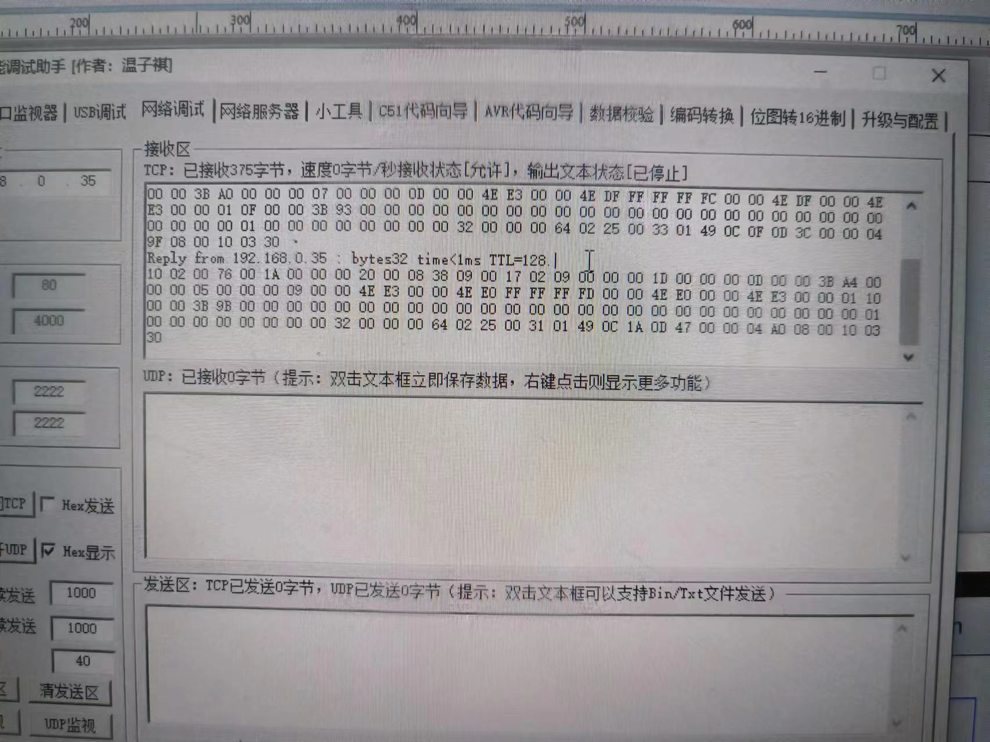
91 | 85 | 87 | Language | UINT8 |  | (See S16.0) | (See S16.0) | 语言 | 0
92 | 86 | 88 | Units | UINT8 |  | (See S17.0) | (See S17.0) | 单位 | 1 | 1
93 | 87 | 89 | Preset Limits Changed | UINT8 | 0 = Not Changed; 1 = Changed |  |  | 预设值界限变更 | 0
94 | 88 | 90 | Note Alarms | UINT32 |  | (see S25.0) | (see S25.0) | 提示报警 | 0
95 | 89 | 91 | Note Alarms |  |  |  |  |  | 0
96 | 90 | 92 | Note Alarms |  |  |  |  |  | 0
97 | 91 | 93 | Note Alarms |  |  |  |  |  | 0
98 | 92 | 94 | Actual Amplitude Start | SINT32 | 0x00,0x00,0x00,0x64 | 100 = 100% | 100 = 100% | 实际振幅开始 | 0 |  | 50
99 | 93 | 95 | Actual Amplitude Start |  |  |  |  |  | 0
100 | 94 | 96 | Actual Amplitude Start |  |  |  |  |  | 0
101 | 95 | 97 | Actual Amplitude Start |  |  |  |  |  | 32 | 50
102 | 96 | 98 | Actual Amplitude End | SINT32 | 0x00,0x00,0x00,0x64 | 100 = 100% | 100 = 100% | 实际振幅结束 | 0 |  | 100
103 | 97 | 99 | Actual Amplitude End |  |  |  |  |  | 0
104 | 98 | 100 | Actual Amplitude End |  |  |  |  |  | 0
105 | 99 | 101 | Actual Amplitude End |  |  |  |  |  | 64 | 100
106 | 100 | 102 | Weld Mode | UINT8 |  | (See S26.0) | (See S26.0) | 焊接模式 | 2 | 2能量
107 | 101 | 103 | PowerSupplyControlFlags | UINT8 |  | <undefined> | <undefined> | 发生器控制标识 | 25
108 | 102 | 104 | Peak Power | UINT16 | 0x00,0x00,0x03,0xE8 | 1000 = 100.0% | 1000 = 100.0% | 峰值功率 | 0 | 49 | 4.9
109 | 103 | 105 | Peak Power |  |  |  |  |  | 31
110 | 104 | 106 | Weld Pressure | UINT16 | 0x00,0x00,0x03,0xE8 | 1000 = 100.0 PSI | 1000 = 689kPa | 焊接气压 | 1 | 329 | 329*689/1000=226681/1000=227KPA
111 | 105 | 107 | Weld Pressure |  |  |  |  |  | 49
112 | 106 | 108 | Weld Force Maximum | UINT16 | 0x00,0x00,0x03,0xE8 | 1000 = 100.0 LB | 1000 = 444.8222 N (Newton) | 焊接压力最大值 | 0C | 3098 | 3098*444.8222/1000=1378N
113 | 107 | 109 | Weld Force Maximum |  |  |  |  |  | 1A
114 | 108 | 110 | Hold Force Maximum | UINT16 | 0x00,0x00,0x03,0xE8 | 1000 = 100.0 LB | 1000 = 444.8222 N | 保压压力最大值 | 0D | 3399 | 3399*444.8222/1000=1512N
115 | 109 | 111 | Hold Force Maximum |  |  |  | (Newton) |  | 47
116 | 110 | 112 | Total Cycle Time | SINT32 | 0x00,0x00,0x03,0xE8 | 1000 = 1.000 Seconds | 1000 = 1.000 Seconds | 总循环时间 | 0 | 1184 | 1184/1000=1.184s
117 | 111 | 113 | Total Cycle Time |  |  |  |  |  | 0
118 | 112 | 114 | Total Cycle Time |  |  |  |  |  | 4
119 | 113 | 115 | Total Cycle Time |  |  |  |  |  | A0
120 |  | 116 | ?(1) | UINT8 | ? | ? | ? | 机架类型AED? S28 | 8 | 8
121 |  | 117 | Check sum | UNIT8 |  | Reserved Byte | Reserved Byte | 校验和 | 0 | 0
122 |  |  | DLE | UINT8 | 0x10 | Data Link Escape | Data Link Escape | 换行 | 10 | 换行
123 |  |  | ETX | UINT8 | 0x02 | End of Transmission | End of Transmission | 正文结束 | 3 | 正文结束
124 |  |  | ?(3) | UINT8 | ? | ? | ? | 控制水平A ?S27 | 30 | 48

